e


 |  |  |  |  |  | 2 НФ

 |  | 3 НФ

Client id | name id | province id | city id | name id | first | last | province id | province | city id | city | postal code
23 | 1 | 1 | 1 | 1 |  |  | 1 | noord | 1 | alkm | 1825
24 | 2 | 1 | 2 | 2 |  |  |  |  | 2 | land | 1834
25 | 3 | 1 | 3 | 3 |  |  |  |  | 3 | scher | 1844
19 | 4 | 1 | 4 | 4 |  |  |  |  | 4 | heil | 1850

f
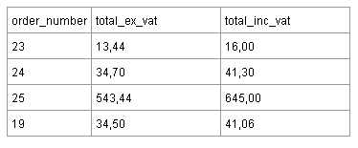

 |  |  |  |  | 2 НФ

 |  | 3НФ
num | total_ex id |  | total_ex id | total_ex
23 | 1 |  | 1
24 | 2 |  | 2
25 | 3 |  | 3
19 | 4 |  | 4

